ART
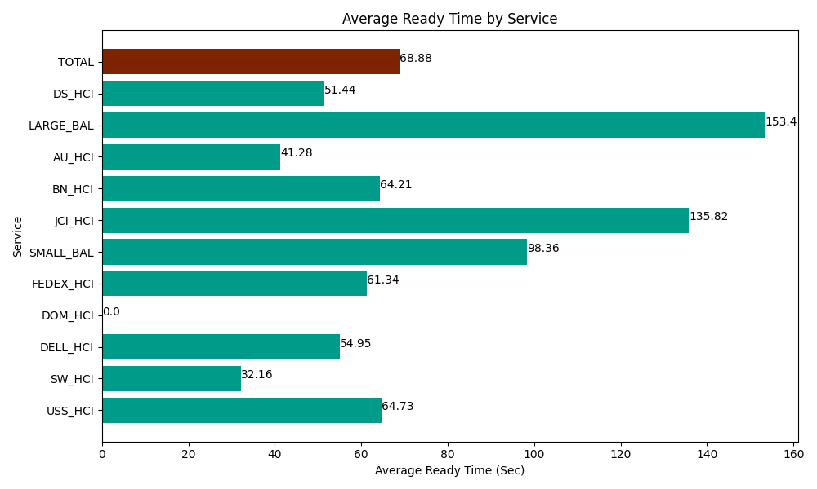
Date | Service | Successful Op Transfer | In Call (Sec) | Ready (Sec) | Wrapup (Sec) | Not Ready (Sec) | Average Ready Time (Sec)
05-08-2024 | USS_HCI | 363 | 48223.798828 | 23497.199707 | 48852.000732 | 26985 | 64.73
05-08-2024 | SW_HCI | 43 | 1688.9999771 | 1382.9999542 | 3121.7999268 | 2735.9999084 | 32.16
05-08-2024 | DELL_HCI | 101 | 8875.7995605 | 5550 | 35422.199707 | 8796.0003662 | 54.95
05-08-2024 | DOM_HCI | 0 | 0 | 18.000000715 | 0 | 6.0000000894 | 0
05-08-2024 | FEDEX_HCI | 65 | 5905.1998901 | 3986.9998169 | 4552.7998352 | 8491.2002563 | 61.34
05-08-2024 | SMALL_BAL | 61 | 3826.2000275 | 6000 | 7770 | 7357.2001648 | 98.36
05-08-2024 | JCI_HCI | 107 | 9316.2002563 | 14533.200073 | 10531.200256 | 591.00002289 | 135.82
05-08-2024 | BN_HCI | 272 | 12463.799744 | 17464.200439 | 17566.799927 | 10609.80011 | 64.21
05-08-2024 | AU_HCI | 277 | 21337.800293 | 11434.80011 | 30721.801758 | 38416.801758 | 41.28
05-08-2024 | LARGE_BAL | 3 | 177.00000286 | 460.20000458 | 137.99999714 | 476.99998856 | 153.4
05-08-2024 | DS_HCI | 617 | 27301.199341 | 31741.201172 | 49615.198975 | 40335 | 51.44
 | TOTAL | 1909 | 139115.99792 | 116068.80128 | 208291.80111 | 144801.00258 | 68.88

